Sheet1
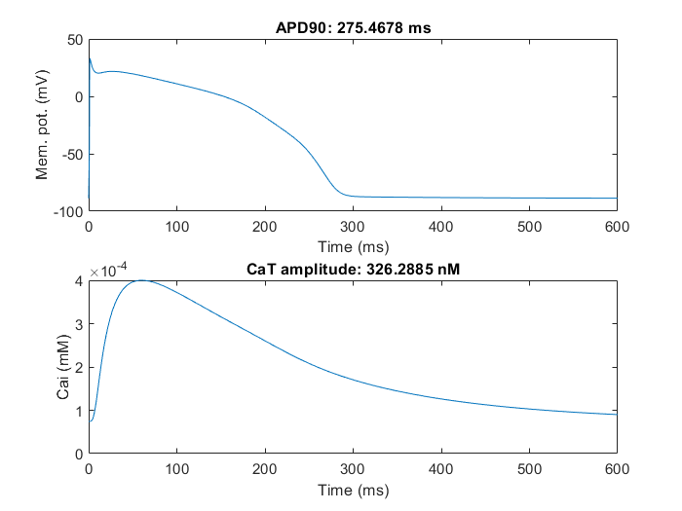
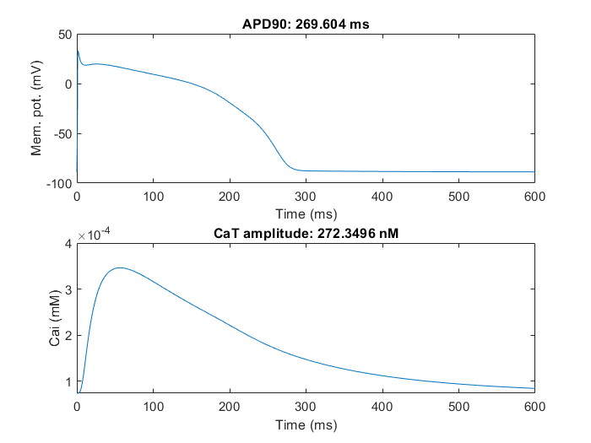
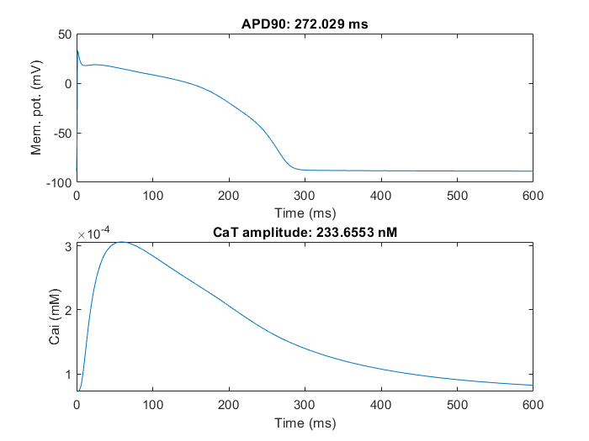
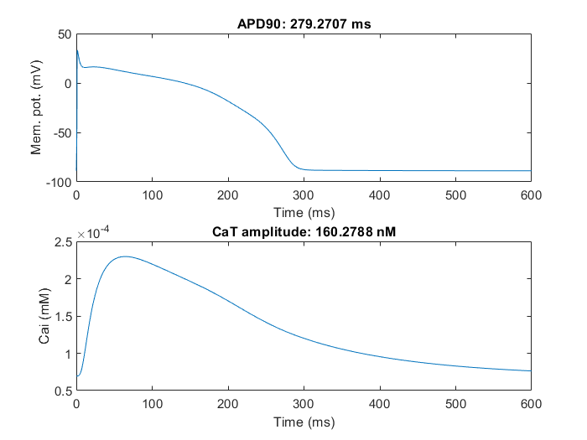
errors = (apd10 - 6)^2 + (apd30 - 168)^2 + (apd50 - 220)^2 + (apd70 - 251)^2 + (apd90 - 272)^2 + 1e5*(CaTamplitude - 3.2e-4)^2 + (CaTduration - 460)^2 + (APupstroke - 23)^2
Trial 1
ICaL | Ikr | Iks | INaL | Jup |  |  |  | ICaL | Ikr | Iks | INaL | Jup | ICaL | Ikr | Iks | INaL | Jup | ICaL | Ikr | Iks | INaL | Jup
-0.096020641551 | -0.18305450643 | -0.29315565161 | -0.38126998306 | 0.10993508543 |  |  |  | -0.17197704574 | -0.3245747208 | -0.59098042465 | -0.5932647807 | 0.1270860446 | 0.086837653538 | -0.19818553185 | 0.33419765057 | -0.44192311639 | -0.065421474151 | -0.41059528517 | -0.46420619598 | -0.19628854588 | -0.41637538753 | 0.23356082406
0.90844526416 | 0.83272276575 | 0.74590603019 | 0.68299346806 | 1.1162056101 |  |  |  | 0.8419985004 | 0.72283469484 | 0.55378407493 | 0.55252047873 | 1.1355147185 | 1.0907195909 | 0.82021766252 | 1.3968191984 | 0.64279905427 | 0.93667259688 | 0.66325530655 | 0.62863391931 | 0.82177508065 | 0.65943268121 | 1.2630896518

-0.096020641551 | -0.18305450643 | -0.29315565161 | -0.38126998306 | 0.10993508543 |  |  |  | -0.17197704574 | -0.3245747208 | -0.59098042465 | -0.5932647807 | 0.1270860446 | -0.044511383026 | -0.39397658119 | 0.22871095237 | -0.66256300712 | 0.056800163244 | -0.41059528517 | -0.51108119598 | 0.39545933385 | -0.41637538753 | 0.23356082406
-0.096020641551 | -0.18305450643 | -0.29315565161 | -0.38126998306 | 0.10993508543 |  |  |  | -0.042896961487 | -0.3245747208 | -0.17302663637 | -0.5932647807 | 0.013839916584 | -0.044511383026 | -0.39397658119 | 0.22871095237 | -0.66256300712 | 0.056800163244 | -0.41059528517 | -0.46420619598 | -0.19628854588 | -0.54137538753 | 0.23356082406
-0.096020641551 | -0.18305450643 | -0.29315565161 | -0.38126998306 | 0.10993508543 |  |  |  | -0.042896961487 | -0.3245747208 | -0.17302663637 | -0.5932647807 | 0.013839916584 | -0.044511383026 | -0.39397658119 | -0.27128904763 | -0.66256300712 | 0.056800163244 | -0.41059528517 | -0.51108119598 | -0.19628854588 | -0.41637538753 | 0.23356082406
-0.096020641551 | -0.18305450643 | -0.29315565161 | -0.38126998306 | 0.10993508543 |  |  |  | -0.042896961487 | -0.3245747208 | -0.33621466528 | -0.5932647807 | 0.013839916584 | -0.044511383026 | -0.39397658119 | -0.27128904763 | -0.66256300712 | 0.056800163244 | -0.41059528517 | -0.51108119598 | -0.29003854588 | -0.41637538753 | 0.23356082406
-0.096020641551 | -0.18305450643 | -0.29315565161 | -0.38126998306 | 0.10993508543 |  |  |  | -0.042896961487 | -0.3245747208 | -0.43642533644 | -0.57528202829 | 0.013839916584 | 0.086837653538 | -0.19818553185 | -0.37314780721 | -0.66256300712 | -0.065421474151 | -0.41059528517 | -0.51108119598 | -0.29003854588 | -0.41637538753 | 0.23356082406
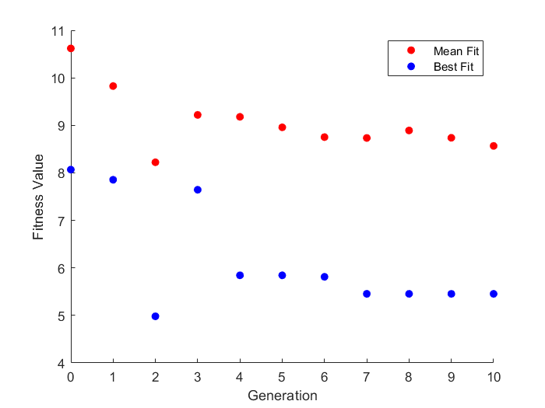
-0.096020641551 | -0.18305450643 | -0.29315565161 | -0.38126998306 | 0.10993508543 |  |  |  | -0.17197704574 | -0.3245747208 | -0.33621466528 | -0.5932647807 | 0.013839916584 | -0.43686692079 | -0.43903611661 | 0.15095454966 | -0.37942311639 | 0.28608708831 | -0.56191130544 | -0.51108119598 | -0.19628854588 | -0.41637538753 | 0.33446788754
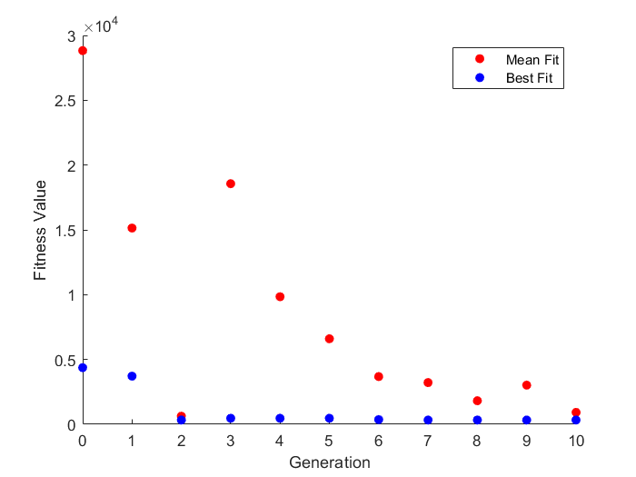
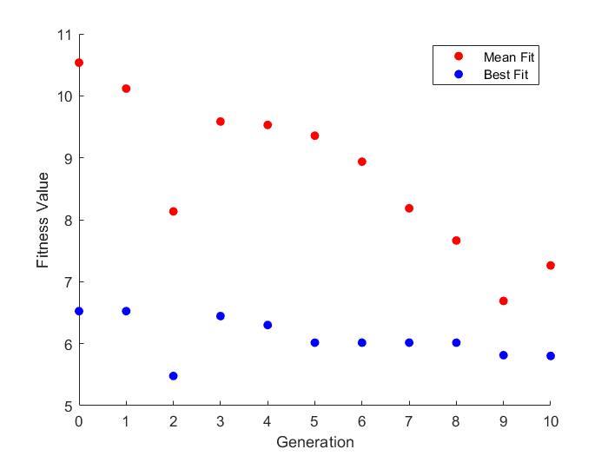
-0.096020641551 | -0.18305450643 | -0.29315565161 | -0.38126998306 | 0.10993508543 |  |  |  | -0.042896961487 | -0.3245747208 | -0.17302663637 | -0.5932647807 | 0.013839916584 | 0.086837653538 | -0.19818553185 | 0.22871095237 | -0.66256300712 | -0.065421474151 | -0.41059528517 | -0.51108119598 | -0.29003854588 | -0.41637538753 | 0.23356082406
-0.096020641551 | -0.18305450643 | -0.29315565161 | -0.40916079017 | 0.10993508543 |  |  |  | -0.042896961487 | 0.31394584693 | -0.43642533644 | 0.42471797171 | 0.1270860446 | 0.086837653538 | -0.19818553185 | -0.37314780721 | -0.66256300712 | 0.056800163244 | -0.41059528517 | -0.46420619598 | -0.19628854588 | -0.41637538753 | 0.23356082406
-0.096020641551 | -0.18305450643 | -0.29315565161 | -0.38126998306 | 0.10993508543 |  |  |  | -0.17197704574 | -0.3245747208 | 0.40901957535 | -0.5932647807 | 0.1270860446 | 0.086837653538 | -0.19818553185 | 0.33419765057 | -0.44192311639 | -0.065421474151 | -0.41059528517 | -0.51108119598 | -0.19628854588 | -0.41637538753 | 0.23356082406
-0.096020641551 | -0.18305450643 | -0.043155651609 | -0.38126998306 | 0.10993508543 |  |  |  | -0.042896961487 | -0.3245747208 | 0.40901957535 | 0.42471797171 | 0.005779452837 | 0.086837653538 | -0.19818553185 | 0.15095454966 | -0.66256300712 | -0.065421474151 | -0.57753630544 | -0.64699634916 | 0.59667741461 | -0.41637538753 | 0.23356082406
-0.096020641551 | -0.18305450643 | -0.29315565161 | -0.38126998306 | 0.10993508543 |  |  |  | -0.042896961487 | -0.3245747208 | 0.66378533472 | 0.42471797171 | 0.1270860446 | -0.68686692079 | -0.43903611661 | 0.15095454966 | -0.66256300712 | -0.065421474151 | -0.41059528517 | -0.55324634916 | 0.67480241461 | -0.41637538753 | 0.33446788754
-0.096020641551 | -0.18305450643 | 0.20684434839 | -0.40916079017 | 0.10993508543 |  |  |  | -0.17197704574 | -0.3245747208 | 0.40901957535 | -0.5932647807 | 0.1270860446 | -0.044511383026 | -0.39397658119 | 0.22871095237 | -0.66256300712 | 0.056800163244 | -0.41059528517 | -0.51108119598 | -0.29003854588 | -0.41637538753 | 0.33446788754
-0.096020641551 | -0.18305450643 | -0.29315565161 | -0.38126998306 | 0.10993508543 |  |  |  | -0.17197704574 | -0.3245747208 | 0.40901957535 | -0.5932647807 | 0.1270860446 | 0.086837653538 | -0.19818553185 | -0.27128904763 | -0.66256300712 | -0.065421474151 | -0.41059528517 | -0.46420619598 | -0.19628854588 | -0.41637538753 | 0.33446788754
-0.096020641551 | -0.18305450643 | -0.29315565161 | -0.38126998306 | 0.10993508543 |  |  |  | 0.056311914043 | -0.3245747208 | 0.40901957535 | -0.5932647807 | 0.1270860446 | 0.086837653538 | -0.44818553185 | -0.27128904763 | -0.44192311639 | 0.24430016324 | -0.32753630544 | -0.64699634916 | 0.20996145412 | -0.41637538753 | 0.33446788754
-0.096020641551 | -0.18305450643 | -0.29315565161 | -0.38126998306 | 0.10993508543 |  |  |  | -0.17197704574 | -0.3245747208 | 0.47351650738 | -0.5932647807 | 0.005779452837 | -0.044511383026 | -0.43903611661 | -0.27128904763 | -0.66256300712 | 0.056800163244 | -0.57753630544 | -0.51108119598 | 0.39545933385 | -0.16637538753 | 0.23356082406
-0.096020641551 | -0.18305450643 | -0.29315565161 | -0.38126998306 | 0.10993508543 |  |  |  | -0.042896961487 | 0.31394584693 | -0.33621466528 | -0.5932647807 | 0.013839916584 | -0.044511383026 | -0.39397658119 | -0.27128904763 | -0.66256300712 | 0.28608708831 | -0.41059528517 | -0.64699634916 | -0.29003854588 | -0.41637538753 | 0.23356082406
-0.096020641551 | -0.18305450643 | -0.29315565161 | -0.40916079017 | 0.10993508543 |  |  |  | -0.17197704574 | -0.3245747208 | -0.59098042465 | -0.5932647807 | 0.1270860446 | -0.43686692079 | -0.39397658119 | -0.37314780721 | -0.44192311639 | -0.065421474151 | -0.41059528517 | -0.51108119598 | -0.19628854588 | -0.41637538753 | 0.23356082406
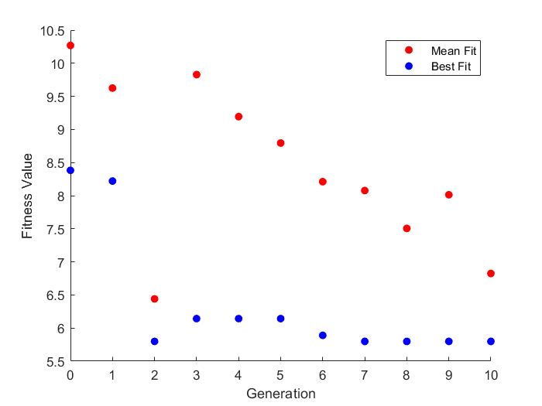
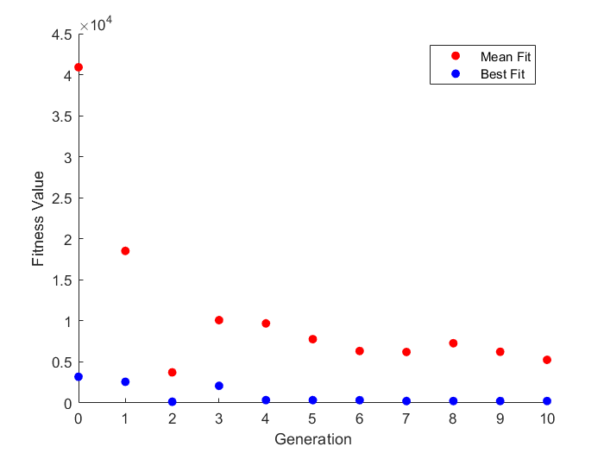
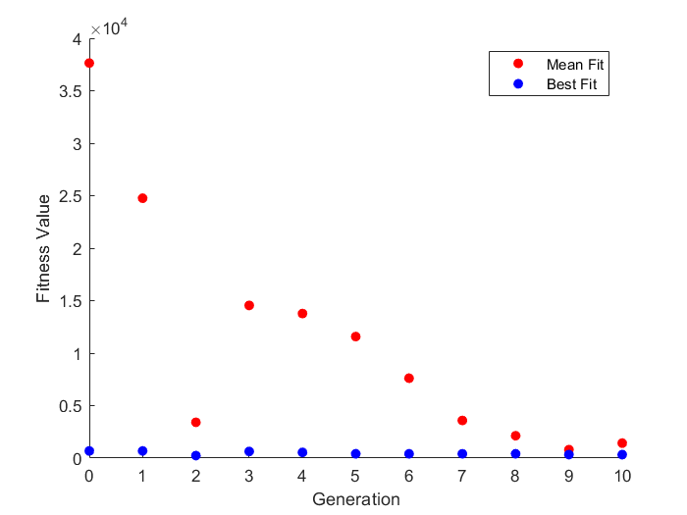
-0.096020641551 | -0.18305450643 | -0.043155651609 | -0.38126998306 | 0.10993508543 |  |  |  | -0.17197704574 | 0.31394584693 | 0.40901957535 | -0.5932647807 | 0.013839916584 | -0.044511383026 | -0.43903611661 | -0.37314780721 | -0.66256300712 | 0.28608708831 | -0.41059528517 | -0.51108119598 | 0.39545933385 | -0.41637538753 | 0.23356082406
-0.096020641551 | -0.18305450643 | -0.29315565161 | -0.38126998306 | 0.10993508543 |  |  |  | -0.17197704574 | -0.3245747208 | 0.40901957535 | -0.57528202829 | 0.1270860446 | -0.044511383026 | -0.39397658119 | -0.37314780721 | -0.66256300712 | 0.28608708831 | -0.41059528517 | -0.51108119598 | -0.19628854588 | -0.41637538753 | 0.23356082406
-0.096020641551 | -0.18305450643 | -0.29315565161 | -0.38126998306 | 0.10993508543 |  |  |  | -0.042896961487 | -0.3245747208 | -0.43642533644 | -0.57528202829 | 0.013839916584 | -0.43686692079 | -0.43903611661 | 0.22871095237 | -0.44192311639 | -0.065421474151 | -0.41059528517 | -0.64699634916 | 0.59667741461 | -0.54137538753 | 0.44384288754
-0.096020641551 | -0.18305450643 | -0.29315565161 | -0.38126998306 | 0.10993508543 |  |  |  | -0.042896961487 | -0.3245747208 | -0.59098042465 | -0.5932647807 | 0.1270860446 | 0.086837653538 | -0.43903611661 | 0.22871095237 | -0.66256300712 | -0.065421474151 | -0.56191130544 | -0.55324634916 | -0.29003854588 | -0.41637538753 | 0.33446788754
-0.22102064155 | -0.18305450643 | -0.26190565161 | -0.37791079017 | 0.12556008543 |  |  |  | -0.17197704574 | 0.1754252792 | 0.40901957535 | -0.5932647807 | 0.1270860446 | 0.049238616974 | -0.51897658119 | -0.27128904763 | -0.66256300712 | 0.056800163244 | -0.41059528517 | -0.51108119598 | 0.20996145412 | -0.16637538753 | 0.48356082406
-0.096020641551 | -0.18305450643 | -0.29315565161 | -0.38126998306 | 0.23493508543 |  |  |  | -0.54289696149 | -0.3245747208 | -0.17302663637 | -0.5932647807 | 0.013839916584 | -0.044511383026 | -0.39397658119 | 0.22871095237 | -0.53756300712 | 0.056800163244 | 0.089404714828 | -0.55324634916 | 0.67480241461 | -0.29137538753 | 0.23356082406
0.028979358449 | -0.10492950643 | -0.23065565161 | -0.27189498306 | 0.17243508543 |  |  |  | -0.17197704574 | -0.3245747208 | -0.090980424654 | -0.57528202829 | 0.005779452837 | -0.044511383026 | -0.36272658119 | 0.35371095237 | -0.61568800712 | 0.11930016324 | 0.089404714828 | -0.51108119598 | -0.29003854588 | -0.41637538753 | 0.23356082406
-0.096020641551 | -0.30805450643 | -0.29315565161 | -0.38126998306 | 0.10993508543 |  |  |  | 0.45710303851 | -0.3245747208 | 0.32697336363 | -0.5932647807 | 0.013839916584 | 0.086837653538 | -0.16693553185 | -0.49814780721 | -0.66256300712 | -0.065421474151 | 0.089404714828 | -0.51108119598 | -0.29003854588 | 0.083624612475 | -0.26643917594

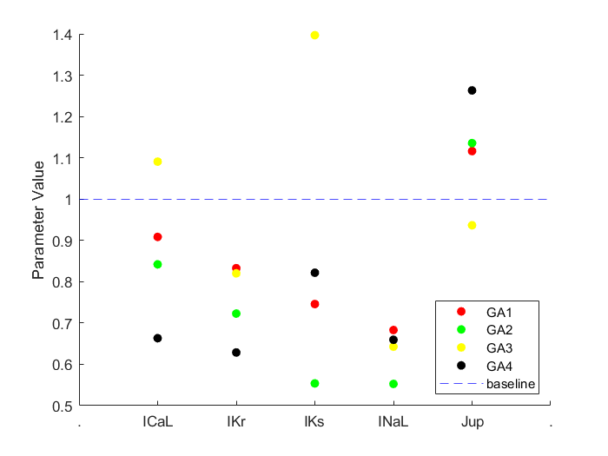
 |  |  |  |  |  | 272 | 320
 | ICaL | Ikr | Iks | INaL | Jup | APD90 | CaT
Trial 1 | 0.90844526416 | 0.83272276575 | 0.74590603019 | 0.68299346806 | 1.1162056101 | 269.604 | 272.3497
Trial 2 | 0.8419985004 | 0.72283469484 | 0.55378407493 | 0.55252047873 | 1.1355147185 | 272.029 | 233.6553
Trial 3 | 1.0907195909 | 0.82021766252 | 1.3968191984 | 0.64279905427 | 0.93667259688 | 275.4878 | 326.2885
Trial 4 | 0.66325530655 | 0.62863391931 | 0.82177508065 | 0.65943268121 | 1.2630896518 | 279.2707 | 160.2788

